1. MELSEC iQ-R
1. MELSEC iQ-R

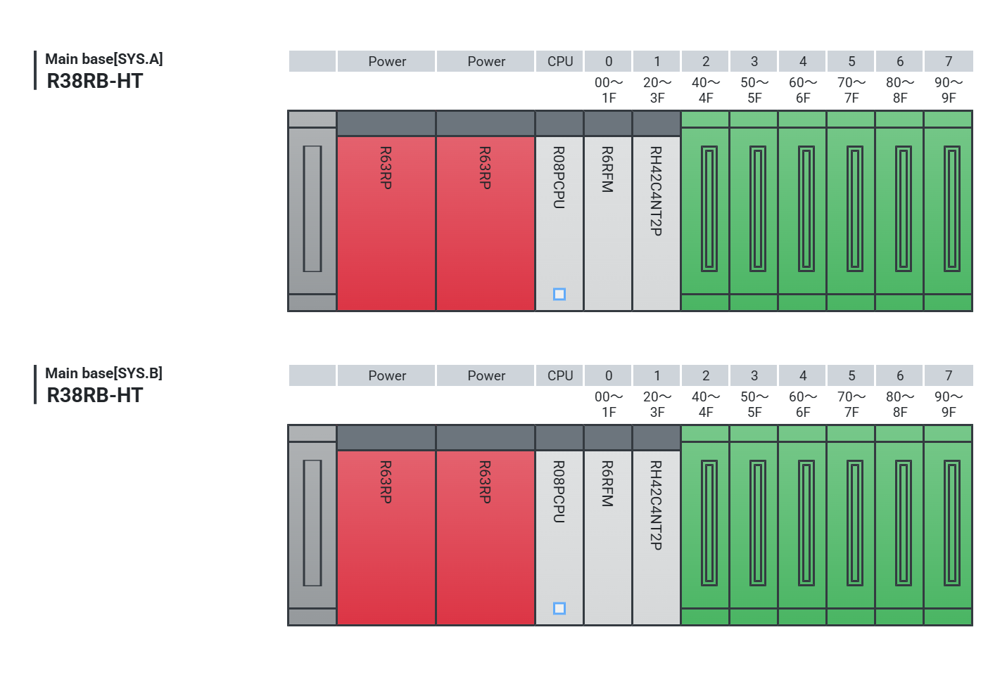

■ Main base [SYS. A] Height: 101 mm Width: 439 mm Total weight: approx. 2.1 kg
 |  |  |  | CPU | 0 | 1 | 2 | 3 | 4 | 5 | 6 | 7 | Total
Product name | Main base | Power supply | Power supply | Process CPU | Redundant func. | I/O combined | - | - | - | - | - | - | -
Model | R38RB-HT | R63RP | R63RP | R08PCPU | R6RFM | RH42C4NT2P | - | - | - | - | - | - | -
Control CPU | - | - | - | - | - | No.1 | - | - | - | - | - | - | -
No. of occupied I/O points | - | - | - | - | 32 points | 32 points | 16 points | 16 points | 16 points | 16 points | 16 points | 16 points | 160 points
Start I/O No. | - | - | - | - | 0000 | 0020 | 0040 | 0050 | 0060 | 0070 | 0080 | 0090 | -
5 V DC current consumption | 0.86A | - | - | 0.76A | 0.88A | 0.22A | - | - | - | - | - | - | 2.72A
Option | R6DIN1 | - | - | - | - | A6CON1 | - | - | - | - | - | - | -
 | - | - | - | - | - | - | - | - | - | - | - | - | -
 | - | - | - | - | - | - | - | - | - | - | - | - | -
 | - | - | - | - | - | - | - | - | - | - | - | - | -
Tracking cable: QG-G50-2C-2M-AW-LL/2 m (x2)

■ Main base [SYS. B] Height: 101 mm Width: 439 mm Total weight: approx. 2.1 kg
 |  |  |  | CPU | 0 | 1 | 2 | 3 | 4 | 5 | 6 | 7 | Total
Product name | Main base | Power supply | Power supply | Process CPU | Redundant func. | I/O combined | - | - | - | - | - | - | -
Model | R38RB-HT | R63RP | R63RP | R08PCPU | R6RFM | RH42C4NT2P | - | - | - | - | - | - | -
Control CPU | - | - | - | - | - | No.1 | - | - | - | - | - | - | -
No. of occupied I/O points | - | - | - | - | 32 points | 32 points | 16 points | 16 points | 16 points | 16 points | 16 points | 16 points | 160 points
Start I/O No. | - | - | - | - | 0000 | 0020 | 0040 | 0050 | 0060 | 0070 | 0080 | 0090 | -
5 V DC current consumption | 0.86A | - | - | 0.76A | 0.88A | 0.22A | - | - | - | - | - | - | 2.72A
Option | R6DIN1 | - | - | - | - | A6CON1 | - | - | - | - | - | - | -
 | - | - | - | - | - | - | - | - | - | - | - | - | -
 | - | - | - | - | - | - | - | - | - | - | - | - | -
 | - | - | - | - | - | - | - | - | - | - | - | - | -

